Tabelle1
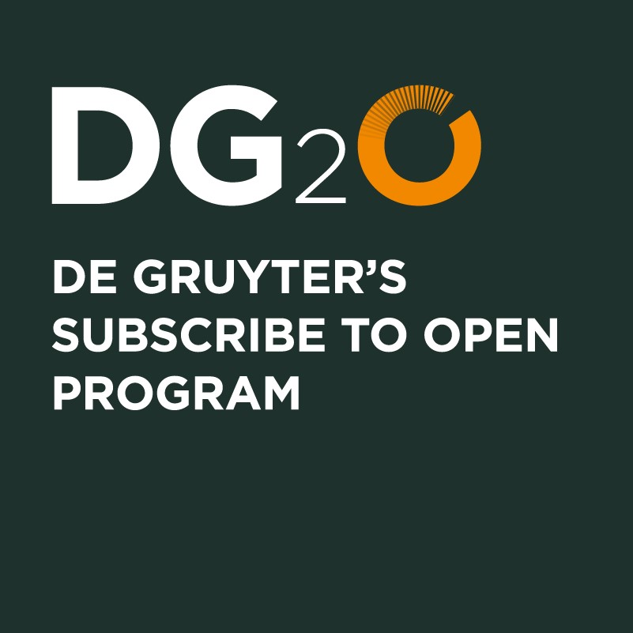 |  |  | Subscribe to Open (S2O) Journal list
 |  |  | Last update: 18.07.2025

Journal Code Klopotek | Journal Code Online | Print-ISSN | Online-ISSN | Title | Product Type | First PubDate | Subject Area | Publisher | Main Language | Creative Commons License | Year of joining S2O programme | S2O OA status of volume 2025 | Publishing Model | URL
ABITECH | abitech | 0720-6763 | 2191-4664 | ABI Technik | Journal | 1981-01-01 | Library and Information Science, Book Studies | De Gruyter | German | CC BY 4.0 | 2022 | open access | S2O | https://www.degruyter.com/journal/key/abitech/html
ACV | acv | 1864-8258 | 1864-8266 | Advances in Calculus of Variations | Journal | 2008-01-25 | Mathematics | De Gruyter | English | CC BY 4.0 | 2026 | tbd end of Q1 2026 | S2O | https://www.degruyter.com/journal/key/acv/html
ADV GEOM | advg | 1615-715X | 1615-7168 | Advances in Geometry | Journal | 2001-01-01 | Mathematics | De Gruyter | English | CC BY 4.0 | 2026 | tbd end of Q1 2026 | S2O | https://www.degruyter.com/journal/key/advg/html
AGPH | agph | 0003-9101 | 1613-0650 | Archiv für Geschichte der Philosophie | Journal | 1888-01-01 | Philosophy | De Gruyter | English | CC BY 4.0 | 2025 | open access | S2O | https://www.degruyter.com/journal/key/agph/html
ANLY | anly | 0174-4747 | 2196-6753 | Analysis | Journal | 1981-02-15 | Mathematics | De Gruyter (O) | English | CC BY 4.0 | 2026 | tbd end of Q1 2026 | S2O | https://www.degruyter.com/journal/key/anly/html
ARBEIT | arbeit | 0941-5025 | 2365-984X | Arbeit | Journal | 1992-03-01 | Business and Economics | De Gruyter Oldenbourg | German | CC BY-NC-ND 4.0 | 2023 | open access | S2O | https://www.degruyter.com/journal/key/arbeit/html
AREGE | afgs | 1436-3038 | 1868-8888 | Archiv für Religionsgeschichte | Yearbook | 1999-01-01 | Classical and Ancient Near Eastern Studies | De Gruyter | German | CC BY 4.0 | 2026 | tbd end of Q1 2026 | S2O | https://www.degruyter.com/journal/key/afgs/html
ASCH | asch | 1016-4987 | 1865-9438 | Aschkenas | Journal | 1992-12-20 | History | De Gruyter | German | CC BY 4.0 | 2026 | tbd end of Q1 2026 | S2O | https://www.degruyter.com/journal/key/asch/html
ASIA | asia | 0004-4717 | 2235-5871 | Asiatische Studien - Études Asiatiques | Journal | 2014-02-26 | History | De Gruyter | German | CC BY 4.0 | 2025 | open access | S2O | https://www.degruyter.com/journal/key/asia/html
AUK | auk | 0171-5860 | 2365-9858 | Analyse & Kritik | Journal | 1979-05-01 | Social Sciences | De Gruyter Oldenbourg | English | CC BY 4.0 | 2025 | open access | S2O | https://www.degruyter.com/journal/key/auk/html
BD | bd | 0006-1972 | 2194-9646 | Bibliotheksdienst | Journal | 1967-01-01 | Library and Information Science, Book Studies | De Gruyter Saur | German | CC BY 4.0 | 2022 | open access | S2O | https://www.degruyter.com/journal/key/bd/html
BEJEAP | bejeap | 2194-6108 | 1935-1682 | The B.E. Journal of Economic Analysis & Policy | Journal | 2001-11-01 | Business and Economics | De Gruyter | English | CC BY 4.0 | 2026 | tbd end of Q1 2026 | S2O | https://www.degruyter.com/journal/key/bejeap/html
BEJM | bejm | 2194-6116 | 1935-1690 | The B.E. Journal of Macroeconomics | Journal | 2001-11-01 | Business and Economics | De Gruyter | English | CC BY 4.0 | 2026 | tbd end of Q1 2026 | S2O | https://www.degruyter.com/journal/key/bejm/html
BFP | bfup | 0341-4183 | 1865-7648 | Bibliothek Forschung und Praxis | Journal | 1977-01-01 | Library and Information Science, Book Studies | De Gruyter | German | CC BY 4.0 | 2021 | open access | S2O | https://www.degruyter.com/journal/key/bfup/html
BMT | bmte | 0013-5585 | 1862-278X | Biomedical Engineering / Biomedizinische Technik | Journal | 1956-01-01 | Medicine | De Gruyter | English | CC BY 4.0 | 2025 | open access | S2O | https://www.degruyter.com/journal/key/bmte/html
BOT | botm | 0006-8055 | 1437-4323 | Botanica Marina | Journal | 1959-01-01 | Life Sciences | De Gruyter | English | CC BY 4.0 | 2026 | tbd end of Q1 2026 | S2O | https://www.degruyter.com/journal/key/botm/html
CLLT | cllt | 1613-7027 | 1613-7035 | Corpus Linguistics and Linguistic Theory | Journal | 2005-05-20 | Linguistics and Semiotics | De Gruyter Mouton | English | CC BY 4.0 | 2025 | open access | S2O | https://www.degruyter.com/journal/key/cllt/html
COG | cogl | 0936-5907 | 1613-3641 | Cognitive Linguistics | Journal | 1990-03-10 | Linguistics and Semiotics | De Gruyter Mouton | English | CC BY 4.0 | 2024 | open access | S2O | https://www.degruyter.com/journal/key/cogl/html
COGSEM | cogsem | 1662-1425 | 2235-2066 | Cognitive Semiotics | Journal | 2007-09-10 | Linguistics and Semiotics | De Gruyter Mouton | English | CC BY 4.0 | 2025 | open access | S2O | https://www.degruyter.com/journal/key/cogsem/html
CPPM | cppm | 2194-6159 | 1934-2659 | Chemical Product and Process Modeling | Journal | 2006-05-01 | Industrial Chemistry | De Gruyter | English | CC BY 4.0 | 2026 | tbd end of Q1 2026 | S2O | https://www.degruyter.com/journal/key/cppm/html
DKP | dkp | 0947-031X | 2569-1589 | Die Denkmalpflege | Journal | 1994-05-20 | Arts | Deutscher Kunstverlag (DKV) | German | CC BY-NC-ND 4.0 | 2025 | open access | S2O | https://www.degruyter.com/journal/key/dkp/html
DMDI | dmdi | 2363-8907 | 2363-8915 | Drug Metabolism and Personalized Therapy | Journal | 1980-12-01 | Medicine | De Gruyter | English | CC BY 4.0 | 2026 | tbd end of Q1 2026 | S2O | https://www.degruyter.com/journal/key/dmdi/html
DZPH | dzph | 0012-1045 | 2192-1482 | Deutsche Zeitschrift für Philosophie | Journal | 1953-02-15 | Philosophy | De Gruyter (A) | German | CC BY 4.0 | 2026 | tbd end of Q1 2026 | S2O | https://www.degruyter.com/journal/key/dzph/html
EDULING | eduling | 2748-9310 | 2748-9329 | Educational Linguistics | Journal | 2022-06-20 | Linguistics and Semiotics | De Gruyter Mouton | English | CC BY 4.0 | 2026 | tbd end of Q1 2026 | S2O | https://www.degruyter.com/journal/key/eduling/html
EJSS | ejss | 2191-9399 | 2191-9402 | European Journal of Scandinavian Studies | Journal | 2010-10-20 | Literary Studies | De Gruyter | Multi-Language | CC BY 4.0 | 2025 | open access | S2O | https://www.degruyter.com/journal/key/ejss/html
EQC | eqc | 2367-2390 | 2367-2404 | Stochastics and Quality Control | Journal | 2001-04-01 | Mathematics | De Gruyter | English | CC BY 4.0 | 2026 | tbd end of Q1 2026 | S2O | https://www.degruyter.com/journal/key/eqc/html
ERJ | erj | 2194-6175 | 2157-5665 | Entrepreneurship Research Journal | Journal | 2011-01-01 | Business and Economics | De Gruyter | English | CC BY 4.0 | 2026 | tbd end of Q1 2026 | S2O | https://www.degruyter.com/journal/key/erj/html
EUJAL | eujal | 2192-9521 | 2192-953X | European Journal of Applied Linguistics | Journal | 2013-05-15 | Linguistics and Semiotics | De Gruyter Mouton | English | CC BY 4.0 | 2025 | open access | S2O | https://www.degruyter.com/journal/key/eujal/html
EV | ev | 2194-6167 | 1553-3832 | The Economists’ Voice | Journal | 2004-01-01 | Business and Economics | De Gruyter | English | CC BY 4.0 | 2026 | tbd end of Q1 2026 | S2O | https://www.degruyter.com/journal/key/ev/html
FJSB | fjsb | 2192-4848 | 2365-9890 | Forschungsjournal Soziale Bewegungen | Journal | 2011-03-20 | Social Sciences | De Gruyter Oldenbourg | German | CC BY 4.0 | 2026 | tbd end of Q1 2026 | S2O | https://www.degruyter.com/journal/key/fjsb/html
FMST | fmst | 0071-9706 | 1613-0812 | Frühmittelalterliche Studien | Yearbook | 1967-01-01 | Philosophy | De Gruyter | German | CC BY-NC-ND 4.0 | 2022 | open access | S2O | https://www.degruyter.com/journal/key/fmst/html
FOLIA | flin | 0165-4004 | 1614-7308 | Folia Linguistica | Journal | 1967-01-01 | Linguistics and Semiotics | De Gruyter Mouton | English | CC BY 4.0 | 2026 | tbd end of Q1 2026 | S2O | https://www.degruyter.com/journal/key/flin/html
FS | fs | 0723-5186 | 2365-9920 | feministische studien | Journal | 1982-11-01 | Social Sciences | De Gruyter | German | CC BY 4.0 | 2025 | open access | S2O | https://www.degruyter.com/journal/key/fs/html
...

